Charts 1
Colombian Population Growth
 |  | Total Population | 5 Cities | Colombia's Population Growth Rate | 5 Principal Cities Growth Rate
 | 2022 | 51609474 | 20984156 | 1.097% | 0.159%
 | 2023 | 52156254 | 21239094 | 1.059% | 0.154%
 | 2024 | 52691440 | 21505662 | 1.026% | 0.227%
 | 2025 | 53216592 | 21767498 | 0.997% | 0.219%
 | 2026 | 53732415 | 22021838 | 0.969% | 0.197%
 | 2027 | 54237754 | 22267536 | 0.940% | 0.174%
Yearly Poulation Growth Rate
 | 2028 | 54731186 | 22503582 | 0.910% | 0.149%
 | 2029 | 55211258 | 22728732 | 0.877% | 0.122%
 | 2030 | 55678083 | 22942837 | 0.846% | 0.096%
 | 2031 | 56131842 | 23148076 | 0.815% | 0.079%
 | 2032 | 56571697 | 23346716 | 0.784% | 0.074%
 | 2033 | 56997149 | 23538706 | 0.752% | 0.070%
 | 2034 | 57407759 | 23723772 | 0.720% | 0.065%
 | 2035 | 57804147 | 23901902 | 0.690% | 0.060%
 | 2036 | 58186418 | 24097983 | 0.661% | 0.158%
 | 2037 | 58553761 | 24288372 | 0.631% | 0.158%
 | 2038 | 58905906 | 24472926 | 0.601% | 0.157%
 | 2039 | 59242615 | 24651518 | 0.572% | 0.157%
 | 2040 | 59564397 | 24824328 | 0.543% | 0.157%
 | 2041 | 59871761 | 24991541 | 0.516% | 0.157%
 | 2042 | 60164524 | 25153050 | 0.489% | 0.157%

 |  |  |  |  |  |  |  |  |  |  |  |  |  |  |  |  |  |  |  |  |  |  |  |  |  |  |  |  | Total Population | Colombia's Population Growth Rate
 | GDP | Nominal Projection of GDP |  | 1.06E+15 | 998719000000000 | 1.177E+15 | 1.234673E+15 | 1.288998612E+15 | 1.3457145509E+15 | 1.4049259912E+15 | 1.4667427348E+15 | 1.5312794151E+15 | 1.5986557094E+15 | 1.6689965606E+15 | 1.7290804368E+15 | 1.7913273325E+15 | 1.8450671525E+15 | 1.900419167E+15 | 1.9574317421E+15 | 2.0161546943E+15 | 2.0766393351E+15 | 2.1389385152E+15 | 2.2031066707E+15 | 2.2691998708E+15 | 2.3372758669E+15 | 2.4073941429E+15 | 2.4796159672E+15 | 1950 | 15 | 3.20%
 |  |  |  | 1.06 | 0.998719 | 1.177 | 1.234673 | 1.288998612 | 1.3457145509 | 1.4049259912 | 1.4667427348 | 1.5312794151 | 1.5986557094 | 1.6689965606 | 1.7290804368 | 1.7913273325 | 1.8450671525 | 1.900419167 | 1.9574317421 | 2.0161546943 | 2.0766393351 | 2.1389385152 | 2.2031066707 | 2.2691998708 | 2.3372758669 | 2.4073941429 | 2.4796159672 | 1960 | 16.057 | 3.10%
 |  | Change in GDP |  |  | -0.068 | 0.05 | 0.049 | 0.044 | 0.044 | 0.044 | 0.044 | 0.044 | 0.044 | 0.044 | 0.036 | 0.036 | 0.03 | 0.03 | 0.03 | 0.03 | 0.03 | 0.03 | 0.03 | 0.03 | 0.03 | 0.03 | 0.03 | 1970 | 21.48 | 2.50%
 |  | % of housing construction |  |  | 0.042941676053 | 0.029845484787 | 0.026128854776 | 0.024998309236 | 0.023948499843 | 0.022973237096 | 0.022051091291 | 0.021144533204 | 0.020249453542 | 0.019366414835 | 0.018665484961 | 0.017991606556 | 0.017428578861 | 0.016873927654 | 0.016328582701 | 0.015808179822 | 0.015304265558 | 0.014803381353 | 0.014313280968 | 0.013834209477 | 0.013375800348 | 0.012937253325 | 0.012509090001 | 1980 | 26.9 | 2.20%
 |  | % of construction |  |  | 0.078096191267 | 0.065 | 0.06128336999 | 0.060152824449 | 0.059103015057 | 0.058127752309 | 0.057205606505 | 0.056299048417 | 0.055403968756 | 0.054520930048 | 0.053820000175 | 0.053146121769 | 0.052583094074 | 0.052028442868 | 0.051483097914 | 0.050962695035 | 0.050458780772 | 0.049957896567 | 0.049467796181 | 0.048988724691 | 0.048530315561 | 0.048091768539 | 0.047663605214 | 1990 | 33.102 | 2%
 |  |  |  |  | 7.7996150046E+13 | 76505000000000 | 7.5664922275E+13 | 7.7536907223E+13 | 7.9535787365E+13 | 8.1665190027E+13 | 8.390590773E+13 | 8.6209573931E+13 | 8.8571870973E+13 | 9.099524473E+13 | 9.3059109409E+13 | 9.5202100541E+13 | 9.7019339652E+13 | 9.8875850057E+13 | 1.0077465004E+14 | 1.0274867683E+14 | 1.0478468895E+14 | 1.068568691E+14 | 1.0898283175E+14 | 1.1116520774E+14 | 1.1342873537E+14 | 1.157758419E+14 | 1.1818743654E+14 | 2000 | 39.629 | 1.60%
 |  |  |  |  | 0.077996150046 | 0.076505 | 0.075664922275 | 0.077536907223 | 0.079535787365 | 0.081665190027 | 0.08390590773 | 0.086209573931 | 0.088571870973 | 0.09099524473 | 0.093059109409 | 0.095202100541 | 0.097019339652 | 0.098875850057 | 0.10077465004 | 0.10274867683 | 0.10478468895 | 0.1068568691 | 0.10898283175 | 0.11116520774 | 0.11342873537 | 0.1157758419 | 0.11818743654 | 2010 | 45.222 | 1.10%
GDP Real Growth
 | Real Projection of GDP | Total Population
2022 | 1.288998612 |  | 0.077996150046
2023 | 1.3457145509 |  | 0.076505
2024 | 1.4049259912 |  | 0.075664922275
2025 | 1.4667427348 |  | 0.077536907223
2026 | 1.5312794151 |  | 0.079535787365
2027 | 1.5986557094 |  | 0.081665190027
2028 | 1.6689965606 |  | 0.08390590773
2029 | 1.7290804368 |  | 0.086209573931
2030 | 1.7913273325 |  | 0.088571870973
2031 | 1.8450671525 |  | 0.09099524473
2032 | 1.900419167 |  | 0.093059109409
2033 | 1.9574317421 |  | 0.095202100541
2034 | 2.0161546943 |  | 0.097019339652
2035 | 2.0766393351 |  | 0.098875850057
2036 | 2.1389385152 |  | 0.10077465004
2037 | 2.2031066707 |  | 0.10274867683
2038 | 2.2691998708 |  | 0.10478468895
2039 | 2.3372758669 |  | 0.1068568691
2040 | 2.4073941429 |  | 0.10898283175
2041 | 2.4796159672 |  | 0.11116520774
2042 |  |  | 0.11342873537
 |  |  | 0.1157758419
 |  |  | 0.11818743654
 |  |  |  |  |  |  |  |  |  |  |  |  |  |  |  |  |  |  |  |  |  |  |  |  |  |  |  | 2020 | 50.882 | 1.10%

 |  |  |  |  |  |  |  |  |  |  |  |  |  |  |  |  |  |  |  |  |  |  |  |  | 1,000,000,000.00

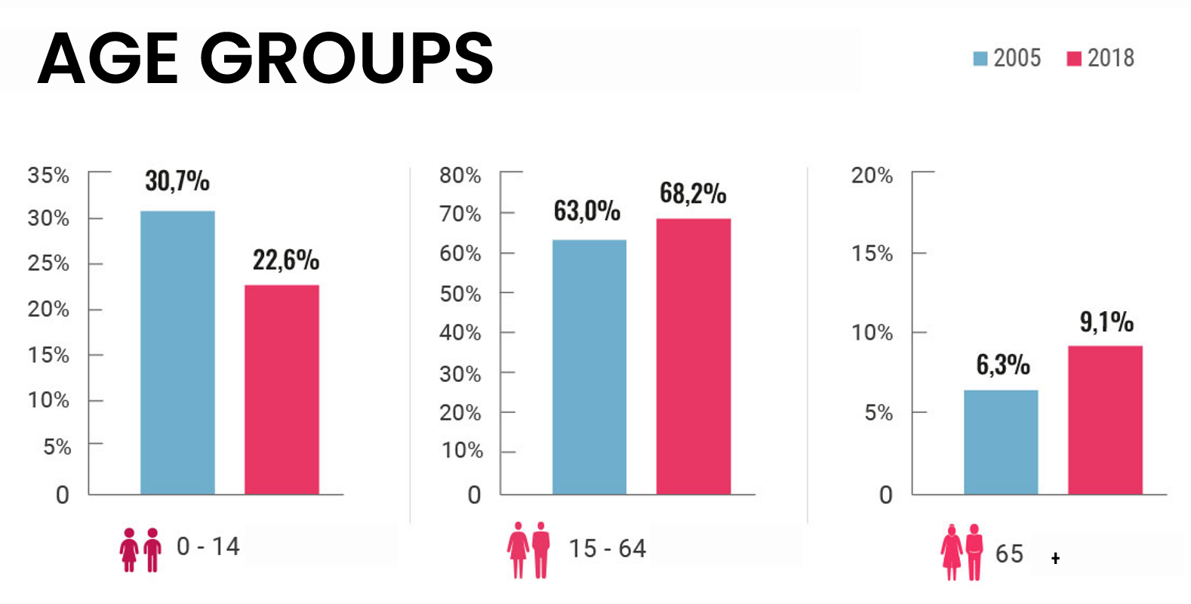

People Per Household Projection Colombia
 | People Per Unit Colombia
2018 | 3.00
2019 | 2.99
2020 | 2.97
2021 | 2.95
2022 | 2.94
2023 | 2.92
2024 | 2.90
2025 | 2.89
2026 | 2.87
2027 | 2.85
2028 | 2.83
2029 | 2.82
2030 | 2.80
2031 | 2.78
2032 | 2.77
2033 | 2.75
2034 | 2.73
2035 | 2.72
2036 | 2.70
2037 | 2.68
2038 | 2.67
2039 | 2.65
2040 | 2.63
2041 | 2.62
2042 | 2.60

 |  |  |  |  |  |  |  |  |  |  |  |  |  |  |  |  |  |  |  |  |  |  |  |  |  |  |  |  |  |  | 2005 | 2018 |  | 2005 | 2018 |  | 2005 | 2018
 |  |  |  |  |  |  |  |  |  |  |  |  |  |  |  |  |  |  |  |  |  |  |  |  |  |  |  |  |  |  | 30.70% | 22.60% |  | 63% | 68.20% |  | 6.30% | 9.10%
Population 0-14
Population 15-64
Population 65+

2005
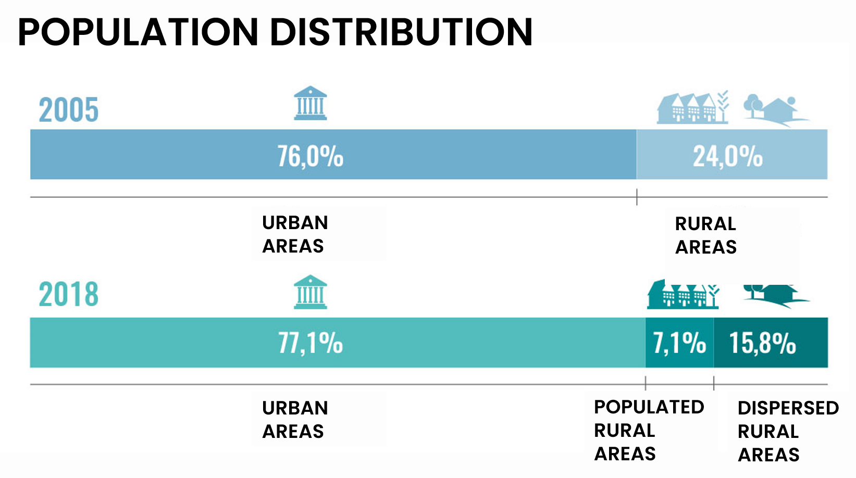

Required Units Yearly (Natural Demand)
 | Required Units
2022 | 289,607
2023 | 288,417
2024 | 287,758
2025 | 287,629
2026 | 287,743
2027 | 287,454
2028 | 286,657
2029 | 285,332
2030 | 284,022
2031 | 282,754
2032 | 281,160
2033 | 279,356
2034 | 277,357
2035 | 275,550
2036 | 273,748
2037 | 271,610
2038 | 269,331
2039 | 266,918
2040 | 264,653
2041 | 262,538
2042 | 260,312
People Per Household Projection Main Cities
 | Barranquilla | Medellin | Bogota | Cartagena | Cali
2018 | 3.66 | 2.78 | 2.93 | 3.39 | 3.18
2019 | 3.62 | 2.77 | 2.92 | 3.35 | 3.15
2020 | 3.58 | 2.76 | 2.90 | 3.32 | 3.13
2021 | 3.53 | 2.75 | 2.89 | 3.29 | 3.10
2022 | 3.49 | 2.75 | 2.88 | 3.26 | 3.08
2023 | 3.44 | 2.74 | 2.86 | 3.22 | 3.06
2024 | 3.40 | 2.73 | 2.85 | 3.19 | 3.03
2025 | 3.35 | 2.73 | 2.84 | 3.16 | 3.01
2026 | 3.31 | 2.72 | 2.82 | 3.12 | 2.98
2027 | 3.27 | 2.71 | 2.81 | 3.09 | 2.96
2028 | 3.22 | 2.70 | 2.79 | 3.06 | 2.94
2029 | 3.18 | 2.70 | 2.78 | 3.03 | 2.91
2030 | 3.13 | 2.69 | 2.77 | 2.99 | 2.89
2031 | 3.09 | 2.68 | 2.75 | 2.96 | 2.86
2032 | 3.04 | 2.67 | 2.74 | 2.93 | 2.84
2033 | 3.00 | 2.67 | 2.72 | 2.89 | 2.82
2034 | 2.95 | 2.66 | 2.71 | 2.86 | 2.79
2035 | 2.91 | 2.65 | 2.70 | 2.83 | 2.77
2036 | 2.87 | 2.64 | 2.68 | 2.80 | 2.74
2037 | 2.82 | 2.64 | 2.67 | 2.76 | 2.72
2038 | 2.78 | 2.63 | 2.66 | 2.73 | 2.70
2039 | 2.73 | 2.62 | 2.64 | 2.70 | 2.67
2040 | 2.69 | 2.61 | 2.63 | 2.67 | 2.65
2041 | 2.64 | 2.61 | 2.61 | 2.63 | 2.62
2042 | 2.60 | 2.60 | 2.60 | 2.60 | 2.60
People Per Household Projection Main Cities
 | Barranquilla | Medellin | Bogota | Cartagena | Cali
2022 | 15,684 | 27,158 | 63,063 | 9,046 | 14,461
2023 | 15,760 | 27,913 | 61,724 | 8,986 | 14,757
2024 | 15,780 | 30,847 | 63,964 | 8,612 | 15,804
2025 | 15,969 | 30,059 | 63,848 | 8,592 | 16,509
2026 | 16,135 | 28,797 | 63,309 | 8,717 | 17,011
2027 | 16,326 | 27,403 | 62,593 | 8,820 | 17,418
2028 | 16,499 | 25,937 | 61,624 | 8,931 | 17,799
2029 | 16,674 | 24,331 | 60,436 | 9,060 | 18,067
2030 | 16,855 | 22,692 | 59,143 | 9,231 | 18,355
2031 | 17,068 | 21,685 | 58,134 | 9,351 | 18,549
2032 | 17,313 | 21,300 | 57,465 | 9,393 | 18,669
2033 | 17,555 | 20,905 | 56,801 | 9,452 | 18,763
2034 | 17,766 | 20,565 | 56,083 | 9,455 | 18,855
2035 | 18,047 | 20,094 | 55,328 | 9,526 | 18,959
2036 | 20,636 | 22,798 | 61,555 | 10,271 | 15,153
2037 | 21,072 | 22,515 | 61,215 | 10,365 | 15,058
2038 | 21,522 | 22,217 | 60,842 | 10,460 | 14,958
2039 | 21,990 | 21,903 | 60,435 | 10,556 | 14,853
2040 | 22,488 | 21,600 | 60,052 | 10,661 | 14,759
2041 | 23,019 | 21,307 | 59,694 | 10,775 | 14,677
2042 | 23,572 | 21,001 | 59,308 | 10,891 | 14,590
2018
 |  |  |  |  |  |  |  |  |  |  |  |  |  |  |  |  |  |  |  |  |  |  |  |  |  |  |  |  |  |  |  |  | Urban Areas | Rural Areas |  | Urban Areas | Populated Rural Areas | Dispersed Rural Areas
 |  |  |  |  |  |  |  |  |  |  |  |  |  |  |  |  |  |  |  |  |  |  |  |  |  |  |  |  |  |  |  |  | 76% | 24% |  | 77.10% | 7.10% | 15.80%

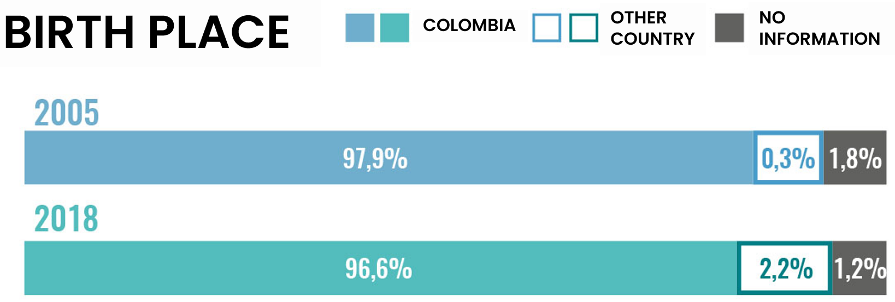
2005
2018

 |  |  |  |  |  |  |  |  |  |  |  |  |  |  |  |  |  |  |  |  |  |  |  |  |  |  |  |  |  |  |  |  | Colombia | Other Country | No Information
 |  |  |  |  |  |  |  |  |  |  |  |  |  |  |  |  |  |  |  |  |  |  |  |  |  |  |  |  |  |  |  | 2005 | 97.90% | 0.30% | 1.80%
 |  |  |  |  |  |  |  |  |  |  |  |  |  |  |  |  |  |  |  |  |  |  |  |  |  |  |  |  |  |  |  | 2018 | 96.60% | 2.20% | 1.20%

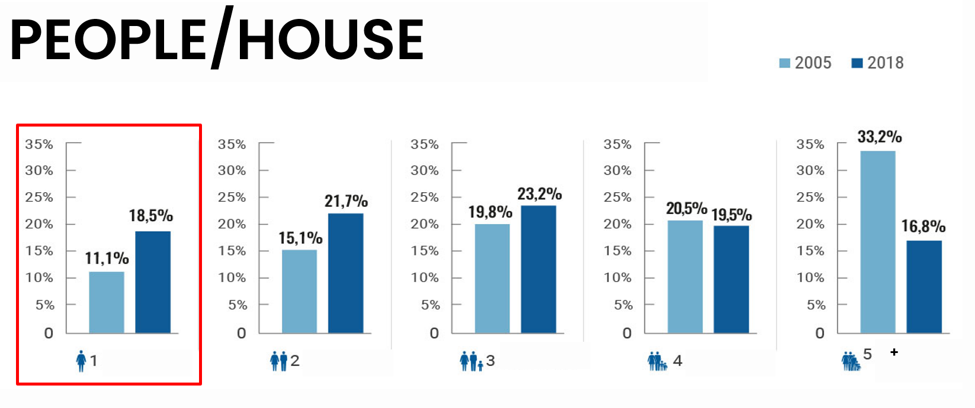
 | 2.6
 | Total New Units |  | 2018 | 2019 | 2020 | 2021 | 2022 | 2023 | 2024 | 2025 | 2026 | 2027 | 2028 | 2029 | 2030 | 2031 | 2032 | 2033 | 2034 | 2035 | 2036 | 2037 | 2038 | 2039 | 2040 | 2041 | 2042
 |  | Barranquilla |  | 33566.654357 | 30160.304856 | 22853.658905 | 19647.242707 | 19761.975058 | 19821.586305 | 20049.618867 | 20256.393695 | 20487.5345 | 20700.952723 | 20917.623663 | 21139.949047 | 21394.797836 | 21683.133658 | 21968.643025 | 22223.020419 | 22548.70507 | 25182.855503 | 25669.769881 | 26173.255027 | 26694.842067 | 27247.899452 | 27834.588069 | 28445.499081
 |  | Bogota |  | 139857.20505 | 127402.68916 | 96606.943701 | 84558.142307 | 83376.556431 | 85770.570702 | 85814.989138 | 85435.312458 | 84877.13145 | 84065.263558 | 83031.110103 | 81889.378533 | 81027.917319 | 80503.927766 | 79984.208369 | 79408.027419 | 78793.032675 | 85158.129845 | 84972.615708 | 84751.930416 | 84497.50649 | 84265.90973 | 84058.099501 | 83820.93665
 |  | Cali |  | 20509.689836 | 19115.635538 | 18574.79476 | 20489.820774 | 20822.011958 | 21905.608054 | 22650.588988 | 23193.888941 | 23642.570861 | 24067.840368 | 24380.240837 | 24713.152593 | 24953.125323 | 25119.289436 | 25260.411724 | 25398.835922 | 25549.986587 | 21791.147684 | 21734.603726 | 21672.287026 | 21604.736372 | 21547.911914 | 21502.115826 | 21452.566446
 |  | Cartagena |  | 19309.582566 | 17287.407421 | 13236.24322 | 11761.873312 | 11725.207386 | 11373.396316 | 11374.824962 | 11520.878072 | 11645.975219 | 11779.228269 | 11930.582464 | 12124.582562 | 12267.279941 | 12332.319706 | 12415.113658 | 12441.746879 | 12536.350153 | 13305.013801 | 13424.855293 | 13545.661283 | 13667.796333 | 13799.019319 | 13939.790302 | 14083.285806 |  |  |  |  |  | 2005 | 2018
 |  | Medellin |  | 48605.191504 | 44175.3617 | 36331.936638 | 36503.472381 | 37326.491048 | 40329.832383 | 39619.222971 | 38432.219466 | 37110.39171 | 35712.646947 | 34171.982306 | 32594.024109 | 31643.3732 | 31312.855357 | 30971.061926 | 30683.293192 | 30263.614346 | 33017.889891 | 32791.776984 | 32549.613029 | 32292.13065 | 32043.569988 | 31804.25743 | 31551.540088 |  |  |  |  | 1 Person | 11.10% | 18.50%
 |  | Principal Cities |  | 261848.32331 | 238141.39868 | 187603.57722 | 172960.55148 | 173012.24188 | 179200.99376 | 179509.24493 | 178838.69263 | 177763.60374 | 176325.93186 | 174431.53937 | 172461.08684 | 171286.49362 | 170951.52592 | 170599.4387 | 170154.92383 | 169691.68883 | 178455.03672 | 178593.62159 | 178692.74678 | 178757.01191 | 178904.3104 | 179138.85113 | 179353.82807 |  |  |  |  | 2 People | 15.10% | 21.70%
 |  | Country |  | 576184.75145 | 528657.11555 | 433018.92651 | 397671.16783 | 397205.14416 | 397267.50324 | 397857.38182 | 398690.43031 | 399120.76637 | 399043.30549 | 398434.05426 | 397837.9916 | 397279.97636 | 396392.959 | 395291.3976 | 393991.53897 | 392877.80739 | 391764.74173 | 390311.1937 | 388710.70443 | 386971.40669 | 385373.21942 | 383920.28589 | 382350.72677 |  |  |  |  | 3 People | 19.80% | 23.20%
 |  |  |  |  |  |  |  |  |  |  |  |  |  |  |  |  |  |  |  |  |  |  |  |  |  |  |  |  |  |  |  | 4 People | 20.50% | 19.50%
 | 3 |  |  |  |  |  |  |  |  |  |  |  |  |  |  |  |  |  |  |  |  |  |  |  |  |  |  |  |  |  |  | 5+ People | 33.20% | 16.80%

 | Total New Units
 |  | Barranquilla |  | 30834.757158 | 27137.253486 | 19635.080188 | 16254.736906 | 16158.672192 | 16002.676572 | 16003.687511 | 15975.750125 | 15962.656503 | 15923.605268 | 15878.514589 | 15829.275618 | 15800.560779 | 15792.206401 | 15769.567929 | 15706.357138 | 15696.257251 | 17762.317878 | 17841.237337 | 17916.686264 | 17988.959259 | 18068.670597 | 18156.153082 | 18241.569097
 |  | Bogota |  | 50894.970417 | 108295.19125 | 77602.054583 | 65314.302083 | 63565.47375 | 65229.66125 | 64640.742083 | 63653.07375 | 62504.330417 | 61127.782917 | 59557.202917 | 57902.447917 | 56521.317917 | 55460.84125 | 54412.162083 | 53320.317083 | 52202.205417 | 57335.981014 | 56553.940025 | 55744.043377 | 54908.197506 | 54096.566574 | 53309.560565 | 52500.682223
 |  | Cali |  | 15515.05659 | 13947.036328 | 13239.788377 | 14944.006745 | 15075.646293 | 15928.216656 | 16436.089587 | 16737.537092 | 16938.744863 | 17109.080303 | 17164.824523 | 17233.14515 | 17208.056025 | 17109.250726 | 16983.128671 | 16850.612367 | 16725.720254 | 13071.994632 | 12797.411033 | 12517.293774 | 12232.248736 | 11956.413377 | 11689.798639 | 11419.331005
 |  | Cartagena |  | 17260.671394 | 15068.567926 | 10905.901691 | 9327.8304076 | 9172.1493217 | 8709.8555564 | 8592.0973621 | 8611.397972 | 8606.7172411 | 8606.0383478 | 8618.4886411 | 8666.600729 | 8661.8002616 | 8580.7302049 | 8512.8948312 | 8390.210071 | 8326.7397433 | 8868.2142933 | 8811.7174972 | 8751.5434229 | 8687.8991017 | 8627.4776034 | 8570.358186 | 8510.2849132
 |  | Medellin |  | -62037.8775 | 37147.778333 | 29765.506667 | 29780.933333 | 30390.265833 | 32979.655833 | 32173.383333 | 30940.943333 | 29595.609167 | 28191.773333 | 26669.965 | 25126.231667 | 24154.861667 | 23743.295833 | 23324.273333 | 22955.778333 | 22472.94 | 24790.82117 | 24468.978035 | 24134.869628 | 23789.29205 | 23453.520908 | 23127.750413 | 22792.25546
 |  | Principal Cities |  | 52467.578059 | 201595.82732 | 151148.33151 | 135621.80948 | 134362.20739 | 138850.06587 | 137845.99988 | 135918.70227 | 133608.05819 | 130958.28017 | 127888.99567 | 124757.70108 | 122346.59665 | 120686.32442 | 119002.02685 | 117223.27499 | 115423.86267 | 121829.32899 | 120473.28393 | 119064.43647 | 117606.59665 | 116202.64906 | 114853.62088 | 113464.1227
 |  | Country |  | 483288.277 | 430833.88274 | 331866.86839 | 293448.4015 | 289535.81229 | 286145.37144 | 283264.50547 | 280609.775 | 277562.17128 | 274031.38665 | 270006.16496 | 266006.97019 | 262056.55784 | 257815.5546 | 253396.17658 | 248817.97398 | 244433.45859 | 240071.55221 | 235427.07346 | 230679.60715 | 225839.57787 | 221155.75346 | 216628.5833 | 212027.85015

Total Projection of Required Units
Required Units (Natural Depriciation)
 | Natural Depriciation Units
2022 | 43,226
2023 | 43,950
2024 | 44,671
2025 | 45,390
2026 | 46,109
2027 | 46,829
2028 | 47,547
2029 | 48,264
2030 | 48,977
2031 | 49,687
2032 | 50,394
2033 | 51,097
2034 | 51,795
2035 | 52,489
2036 | 53,178
2037 | 53,862
2038 | 54,541
2039 | 55,214
2040 | 55,882
2041 | 56,543
2042 | 57,200

Required Total Replacement Units
 | Quantitative Deficit Units | Natural Depreciation Units
2022 | 64,839 | 43,226
2023 | 64,839 | 43,950
2024 | 64,839 | 44,671
2025 | 64,839 | 45,390
2026 | 64,839 | 46,109
2027 | 64,839 | 46,829
2028 | 64,839 | 47,547
2029 | 64,839 | 48,264
2030 | 64,839 | 48,977
2031 | 64,839 | 49,687
2032 | 64,839 | 50,394
2033 | 64,839 | 51,097
2034 | 64,839 | 51,795
2035 | 64,839 | 52,489
2036 | 64,839 | 53,178
2037 | 64,839 | 53,862
2038 | 64,839 | 54,541
2039 | 64,839 | 55,214
2040 | 64,839 | 55,882
2041 | 64,839 | 56,543
2042 | 64,839 | 57,200
Required Units- Quantitative Deficit (20 Years)
 | Quantitative Deficit Units
2022 | 64,839
2023 | 64,839
2024 | 64,839
2025 | 64,839
2026 | 64,839
2027 | 64,839
2028 | 64,839
2029 | 64,839
2030 | 64,839
2031 | 64,839
2032 | 64,839
2033 | 64,839
2034 | 64,839
2035 | 64,839
2036 | 64,839
2037 | 64,839
2038 | 64,839
2039 | 64,839
2040 | 64,839
2041 | 64,839
2042 | 64,839

Total Units Demanded - Colombia
 | Natural Demand Units | Quantitative Deficit Units | Natural Depreciation Units
2022 | 289,607 | 64,839 | 43,226
2023 | 288,417 | 64,839 | 43,950
2024 | 287,758 | 64,839 | 44,671
2025 | 287,629 | 64,839 | 45,390
2026 | 287,743 | 64,839 | 46,109
2027 | 287,454 | 64,839 | 46,829
2028 | 286,657 | 64,839 | 47,547
2029 | 285,332 | 64,839 | 48,264
2030 | 284,022 | 64,839 | 48,977
2031 | 282,754 | 64,839 | 49,687
2032 | 281,160 | 64,839 | 50,394
2033 | 279,356 | 64,839 | 51,097
2034 | 277,357 | 64,839 | 51,795
2035 | 275,550 | 64,839 | 52,489
2036 | 273,748 | 64,839 | 53,178
2037 | 271,610 | 64,839 | 53,862
2038 | 269,331 | 64,839 | 54,541
2039 | 266,918 | 64,839 | 55,214
2040 | 264,653 | 64,839 | 55,882
2041 | 262,538 | 64,839 | 56,543
2042 | 260,312 | 64,839 | 57,200

Total Housing Demanded Projection Main Cities
 | Barranquilla | Medellin | Bogota | Cartagena | Cali
2022 | 19,647 | 36,503 | 84,558 | 11,762 | 20,490
2023 | 19,762 | 37,326 | 83,377 | 11,725 | 20,822
2024 | 19,822 | 40,330 | 85,771 | 11,373 | 21,906
2025 | 20,050 | 39,619 | 85,815 | 11,375 | 22,651
2026 | 20,256 | 38,432 | 85,435 | 11,521 | 23,194
2027 | 20,488 | 37,110 | 84,877 | 11,646 | 23,643
2028 | 20,701 | 35,713 | 84,065 | 11,779 | 24,068
2029 | 20,918 | 34,172 | 83,031 | 11,931 | 24,380
2030 | 21,140 | 32,594 | 81,889 | 12,125 | 24,713
2031 | 21,395 | 31,643 | 81,028 | 12,267 | 24,953
2032 | 21,683 | 31,313 | 80,504 | 12,332 | 25,119
2033 | 21,969 | 30,971 | 79,984 | 12,415 | 25,260
2034 | 22,223 | 30,683 | 79,408 | 12,442 | 25,399
2035 | 22,549 | 30,264 | 78,793 | 12,536 | 25,550
2036 | 25,183 | 33,018 | 85,158 | 13,305 | 21,791
2037 | 25,670 | 32,792 | 84,973 | 13,425 | 21,735
2038 | 26,173 | 32,550 | 84,752 | 13,546 | 21,672
2039 | 26,695 | 32,292 | 84,498 | 13,668 | 21,605
2040 | 27,248 | 32,044 | 84,266 | 13,799 | 21,548
2041 | 27,835 | 31,804 | 84,058 | 13,940 | 21,502
2042 | 28,445 | 31,552 | 83,821 | 14,083 | 21,453

Years | Required GDP share for housing construction | Total required hectares to be developed
2022 | 2.84% | 3,314
2023 | 2.78% | 3,310
2024 | 2.72% | 3,311
2025 | 2.68% | 3,315
2026 | 2.65% | 3,322
2027 | 2.61% | 3,326
2028 | 2.57% | 3,325
2029 | 2.53% | 3,320
2030 | 2.49% | 3,315
2031 | 2.45% | 3,311
2032 | 2.41% | 3,303
2033 | 2.37% | 3,294
 | Total required hectares to be developed
2022 | 3,314
2023 | 3,310
2024 | 3,311
2025 | 3,315
2026 | 3,322
2027 | 3,326
2028 | 3,325
2029 | 3,320
2030 | 3,315
2031 | 3,311
2032 | 3,303
2033 | 3,294
2034 | 3,283
2035 | 3,274
2036 | 3,265
2037 | 3,253
2038 | 3,239
2039 | 3,225
2040 | 3,211
2041 | 3,199
2042 | 3,186
2034 | 2.33% | 3,283
2035 | 2.29% | 3,274
2036 | 2.25% | 3,265
2037 | 2.20% | 3,253
2038 | 2.16% | 3,239
2039 | 2.12% | 3,225
2040 | 2.08% | 3,211
2041 | 2.05% | 3,199
2042 | 2.01% | 3,186

